1. Title Page
Project Name: Instacart Basket Analysis
Date: April 24, 2024
Analyst Name: Robson Pereira

Contents:
Population Flow
Consistency checks
Wrangling steps
Column derivations
Visualizations
Recommendations

Data Citation:
“The Instacart Online Grocery Shopping Dataset 2017”,
Accessed from www.instacart.com/datasets/grocery-shopping-2017
via Kaggle on April 24, 2024
This data was fabricated and used for the purposes of CareerFoundry Data Analytics coursework.

2. Population Flow
Population flow

Exclusion flag
Condition: max_order < 5
Obervations to be removed: 1,440,295
Final total count of order_products_all: 32,404,859

Orders_products_combined
Orders_products_merged
Orders_products_all

Total: 32,404,859
Total: 32,434,489
Total: 32,404,859

1.) The grey boxes in the first row of the population flow represent the original data sets as they were when you downloaded them. In the Total fields you need to add the count of the rows when you imported the dataset into Jupyter.
2.) The second row of boxes (coloured) represents the datasets after you manipulated them, e.g., removed missing values and duplicates. In the Total fields you need to add the count of the rows after conducting these operations. This offers a visual oveview of how the data flows throughout the data consistency checks.
3.) The third row, where also the arrows are coloured, represents the merges you performed between the datasets. In the Total fields you need to add the count of the rows in the merged datasets, so that you end up with the final dataset (in the red box). Keep in mind the final dataset should be without exclusions (based on the exclusion flag).

3. Consistency checks
Consistency checks

Dataset | Missing values | Missing values treatment | Duplicates
orders | column 'days_since_prior_order' has 206,209 missing values | created a flag column called 'first_order' which should if reason behind this NaN was the fact that was the client's first order | No duplicates
products | column 'product_name' has 16 null values | created another dataframe which filtered the missing values out | 5 duplicates
orders_products_prior | No missing values | No missing values | No duplicates
customers | column 'first_name' is missing 11,259 values | Considering that first name is considered a PII data, it should be deleted | No duplicates

4. Wrangling steps
Wrangling steps

Dataset | Columns dropped | Columns renamed | Columns' type changed | Comment/Reason
order | eval_set |  |  | It wasn't necessary for the analysis
order |  |  | order_id from int to str | no numeric value, only act as a key
order |  | from 'order_dow' to 'order_day_of_week' |  | to make it clear the column's name
order |  |  | user_id from int to str | no numeric value, only act as a key
order_products |  |  | user_id from int to str | no numeric value, only act as a key
customer |  | First Name' to 'first_name' |  | changed the name to follow a standard
customer |  | Surnam' to 'surname' |  | changed the name to follow a standard
customer |  | Gender' to 'gender' |  | changed the name to follow a standard
customer |  | STATE' to 'us_state' |  | changed the name to follow a standard
customer |  | Age' to 'age' |  | changed the name to follow a standard
customer |  | fam_status' to 'marital_status' |  | changed the name to follow a standard
customer |  |  | user_id from int to str | no numeric value, only act as a key
customer |  |  | date_joined from int to datetime | changed to the correct data type

5. Column derivations
Column derivations and aggregations

Dataset | New column | Column/s it was derived from | Conditions
orders_wrangled.csv | first_order | order_number | if order_number == 1, return TRUE, otherwise FALSE
orders_products_merge.pkl | price_range_loc | prices | df['prices'] > 15, return 'High-range product'; df['prices'] <= 15) & (df['prices'] > 5 return 'Mid-range product'; df['prices'] <= 5 return 'Low-range product'
orders_products_merge.pkl | busiest_day | orders_day_of_week | if value in order_day_of_week = Saturday (0), return 'Busiest day'; if value = Wednesday (4), return 'Least busy'; otherwise return 'Regularly busy'
orders_products_merge.pkl | busiest_days | orders_day_of_week | if value in order_day_of_week = Saturday (0) or Sunday (1), return 'Busiest day', if value = Tuesday (3) or Wednesday (4), return 'Least busy'; otherwise return 'Regularly busy'
orders_products_merge.pkl | busiest_period_of_day | order_hour_of_day | if hour in [10, 11, 14, 15, 13, 12, 16, 9] return 'Most orders'; if hour in [17, 8, 18, 19, 20, 7, 21, 22] return 'Average orders'; else return 'Fewest orders'
ords_prods_merge_derived | max_order | user_id and order_number | first groupby the dataframe by the column 'user_id' then return the max of the column 'order_number' and through the function .transform(np.max) from the library numpy transform into that number and assing it to the new column.
ords_prods_merge_derived | loyalty_flag | max_order | if max_order > 40, return 'Loyal Customer'; if max_order > 10 and <= 40, return 'Regular Customer'; if max_order <= 10, return 'New Customer'
ords_prods_merge_derived | avg_order | user_id and prices | first groupby the dataframe by the column 'user_id' then return the mean of the column 'prices' and through the function .transform(np.mean) from the library numpy transform into that number and assing it to the new column.
ords_prods_merge_derived | spending_flag | avg_order | if avg_order < 10, return 'Low Spender'; if avg_order >= 10 , return 'High Spender';
ords_prods_merge_derived | median_prior_order | user_id and days_since_prior_order | first groupby the dataframe by the column 'user_id' then return the median of the column 'days_since_prior_order' and through the function .transform(np.median) from the library numpy transform into that number and assing it to the new column.
ords_prods_merge_derived | order_frequency_flag | median_prior_order | if median_prior_order > 20, return 'Non-frequent Customer'; if median_prior_order > 10 and <=20, return 'Regular Customer''; if median_prior_order <= 10, return 'Frequente Customer';
ords_prods_customer_merge | region | us_state | if us_state column = ['Alaska', 'Arizona', 'California', 'Colorado', 'Hawaii', 'Idaho', 'Montana', 'Nevada', 'New Mexico', 'Oregon', 'Utah', 'Washington', 'Wyoming']), return = 'West'; if us_state column = ['Alabama', 'Arkansas', 'Delaware', 'District of Columbia', 'Florida', 'Georgia', 'Kentucky', 'Louisiana', 'Maryland', 'Mississippi', 'North Carolina', 'Oklahoma', 'South Carolina', 'Tennessee', 'Texas', 'Virginia', 'West Virginia']), return = 'South' if us_state column = ['Illinois', 'Indiana', 'Iowa', 'Kansas', 'Michigan', 'Minnesota', 'Missouri', 'Nebraska', 'North Dakota', 'Ohio', 'South Dakota', 'Wisconsin']), return = 'Midwest' if us_state column = ['Connecticut','Maine','Massachusetts','New Hampshire','New Jersey','New York','Pennsylvania','Rhode Island','Vermont']), return = 'Northeast'
ords_prods_customer_merge | exclusion_flag | max_order | if max order is less than 5, return 'Low Activity Customer'; if max order is greater than or equal to 5, return 'Active Customer'
ords_prods_customer_merge | age_classification | age | if age >= 18 and <= 39, return 'Young Adult'; if age >= 40 and <= 59, return 'Middle Age Adult'; if age >= 60, return 'Senior'
ords_prods_customer_merge | income_classification | income | if income > 127,912, return 'High Income'; if income >= 96618) and < 127912), return 'Upper Middle Income' if income >= 67004) and income'] < 96618, return 'Middle Income'; if income >= 25903) and < 67004), return 'Low Income'
ords_prods_customer_merge | customer_profiling | age and income | if age_classification = 'Young Adult' and income_classification = 'Low Income', return 'Young Adult - Low Income'; if age_classification = 'Young Adult' and income_classification = 'Middle Income', return 'Young Adult - Middle Income'; if age_classification = 'Young Adult' and income_classification = 'Upper Middle Income', return 'Young Adult - Upper Middle Income'; if age_classification = 'Young Adult' and income_classification = 'High Income', return 'Young Adult - High Income'; if age_classification = 'Middle Age Adult' and income_classification = 'Low Income', return ' Middle Age Adult - Low Income'; if age_classification = 'Middle Age Adult' and income_classification = 'Middle Income', return ' Middle Age Adult - Middle Income'; if age_classification = 'Middle Age Adult' and income_classification = 'Upper Middle Income', return ' Middle Age Adult - Upper Middle Income'; if age_classification = 'Middle Age Adult' and income_classification = 'High Income', return ' Middle Age Adult - High Income'; if age_classification = 'Senior' and income_classification = 'Low Income', return 'Senior - Low Income'; if age_classification = 'Senior' and income_classification = 'Middle Income', return 'Senior - Middle Income'; if age_classification = 'Senior' and income_classification = 'Upper Middle Income', return 'Senior - Upper Middle Income'; if age_classification = 'Senior' and income_classification = 'High Income', return 'Senior - High Income'

Frequences of flags/label variations
first_order |  | region |  | spending_flag | High Spender | Low Spender
False | 3214874 | South | 10791885 | South | 40579 | 10751306
True | 206209 | West | 8292913 | West | 31242 | 8261671
price_range_loc |  | Midwest | 7597325 | Midwest | 29265 | 7568060
High-range product | 417678 | Northeast | 5722736 | Northeast | 18642 | 5704094
Mid-range product | 21860860 | exclusion_flag
Low-range product | 10126321 | Active Customer | 30964564
busiest_day |  | Low Activity Customer | 1440295
Busiest day | 6204182 | age_classification
Least busy | 3783802 | Young Adult | 11164192
Regularly Busy | 22416875 | Middle Age Adult | 10173412
busiest_days |  | Senior | 11067255
Busiest days | 11864412 | income_classification
Slowest days | 7624336 | High Income | 8101288
Regularly Busy | 12916111 | Low Income | 8101214
busiest_period_of_day |  | Middle Income | 8101207
Most orders | 21118071 | Upper Middle Income | 8101150
Average orders | 9997651 | income_classification
Fewest orders | 1289137 | Young Adult - Middle Income | 5144420
loyalty_flag |  | Young Adult - Low Income | 5139771
Loyal Customer | 10284093 | Senior - High Income | 4254283
Regular Customer | 15876776 | Senior - Upper Middle Income | 3887289
New Customer | 6243990 | Middle Age Adult - High Income | 3720813
spending_flag |  | Middle Age Adult - Upper Middle Income | 3460052
High Spender | 634245 | Middle Age Adult - Low Income | 1515664
Low Spender | 31770614 | Senior - Middle Income | 1479904
spending_flag (updated - after 4.9) |  | Middle Age Adult - Middle Income | 1476883
High Spender | 119728 | Senior - Low Income | 1445779
Low Spender | 32285131 | Young Adult - Upper Middle Income | 753809
order_frequency_flag |  | Young Adult - High Income | 126192
Frequent Customer | 21559853
Regular Customer | 7208564
Non-frequent Customer | 3636437
Nan | 5

6. Visualizations
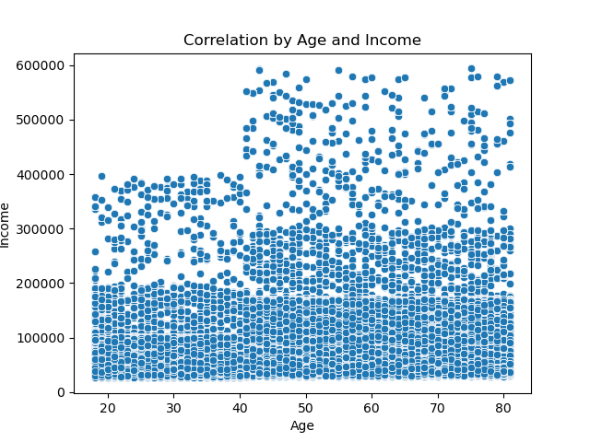
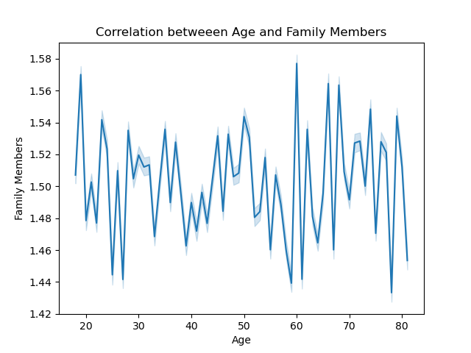
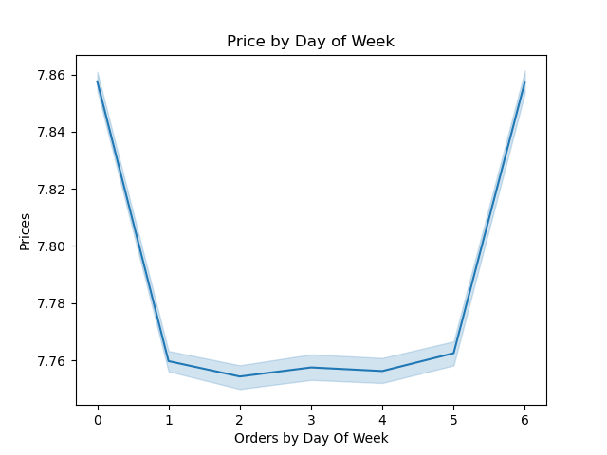

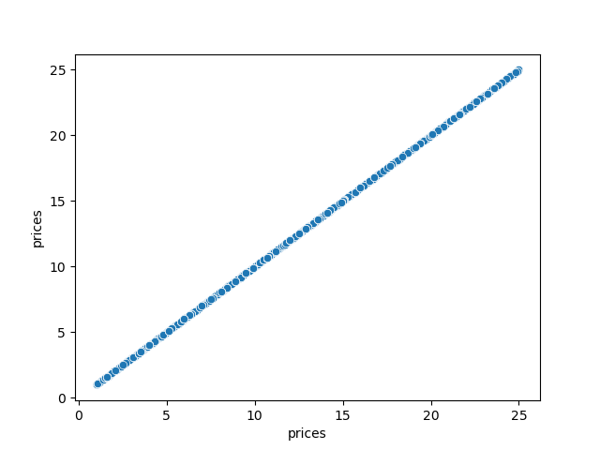

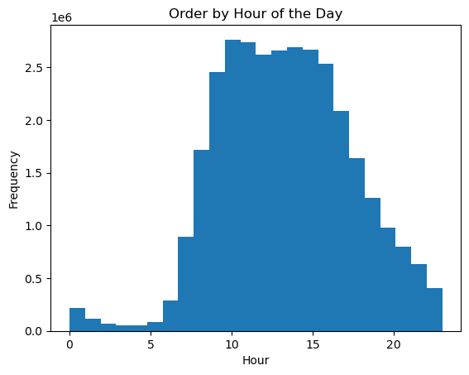
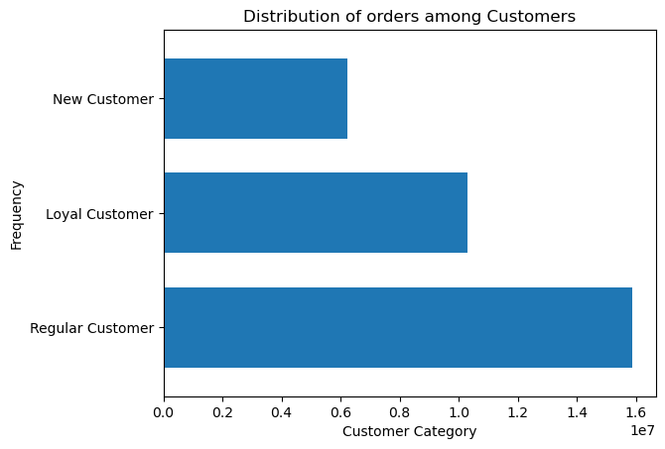

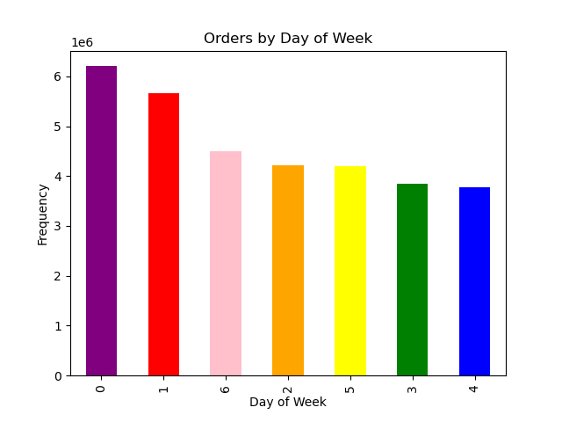
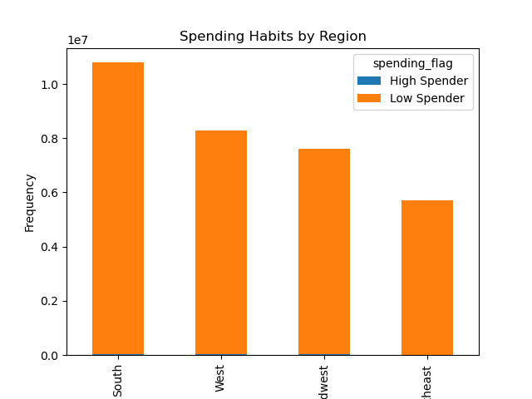
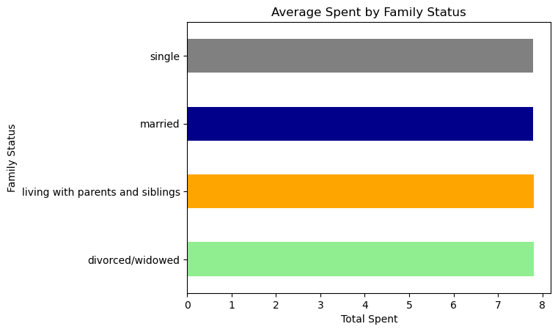
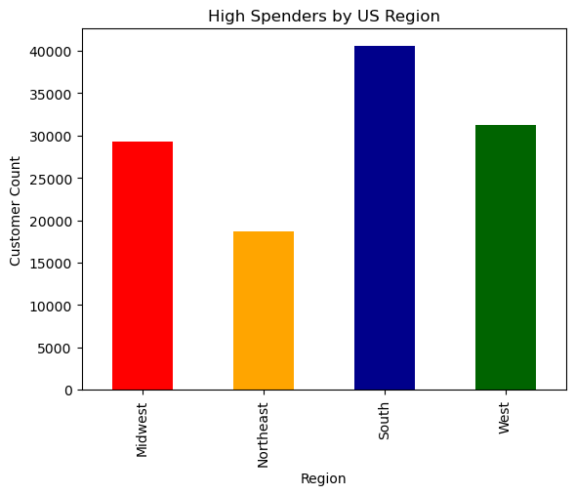
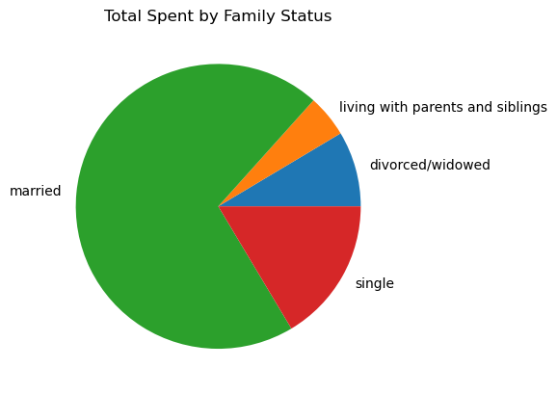
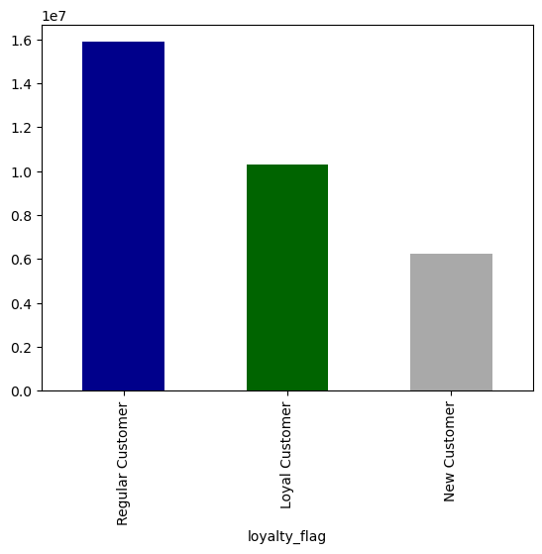
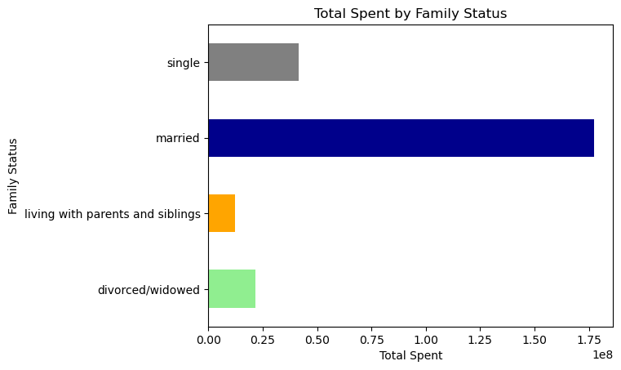
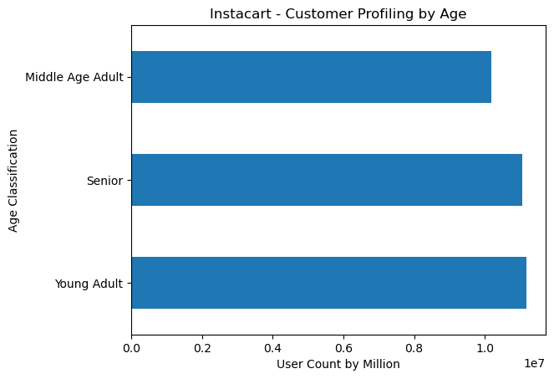
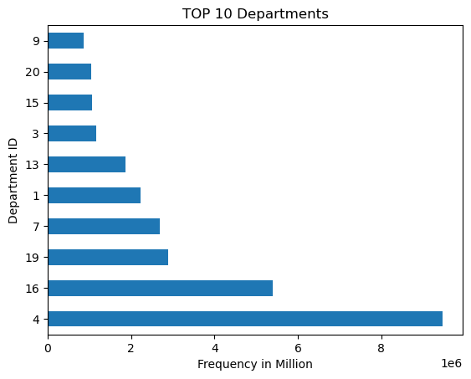
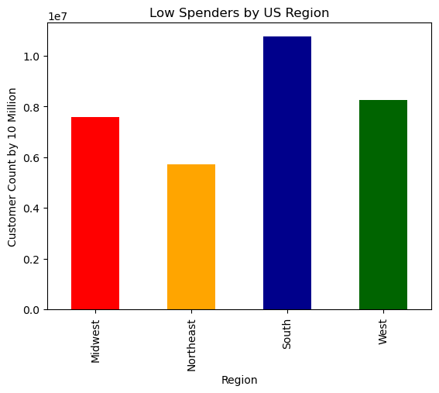
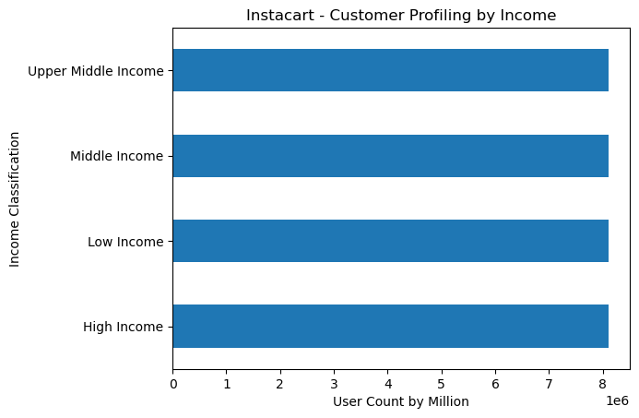
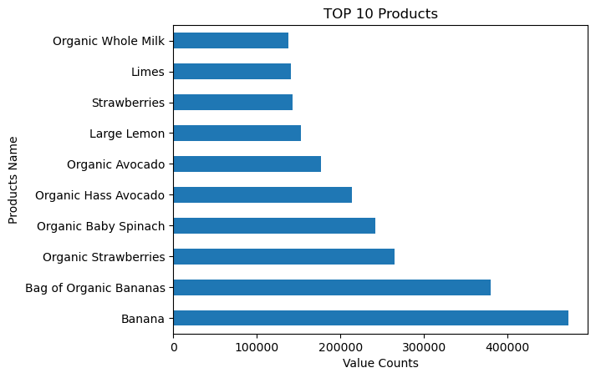
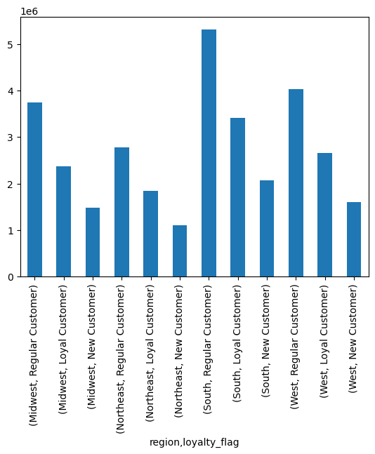
Visualisations

7. Recommendations
Recommendations

Question |  | Answer
Key Question 1 - What are the busiest days of the week and hours?
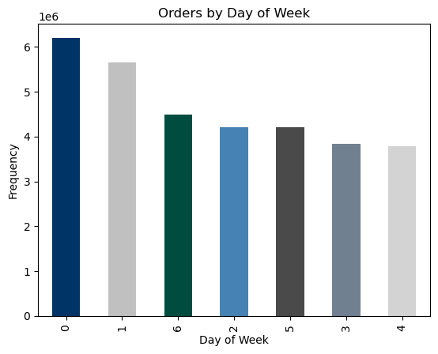



Recommendation:
(1) Busiest Days: According to the graphs above, Saturday (0) and Sunday (1) are the days that have a higher frequency of requests, so this would be the day on which an ad would have a better reach. Furthermore, Tuesday (3) and Wednesday (4) are the days with a lower frequency of orders, so a promotion during this period could change this scenario.
(2) Busiest Hour of the Day: The best time to run advertisements is around 10am to 3pm, when the platform has the highest number of requests, reaching a greater number of users.

Key Question 2 - Is there any particular time of the day when people spend the most money?
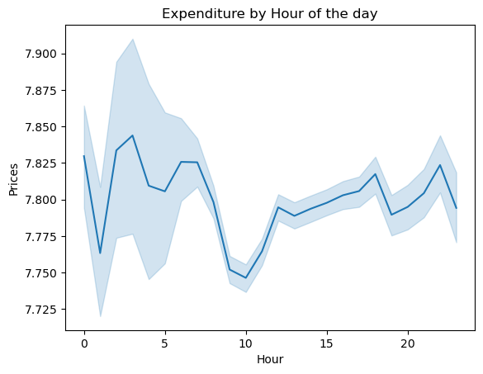

Recommendation:
Prices tend to be higher between 04am to 08 am and 8pm until 10pm. Considering that data indicates that clients tend to spend less during the times when prices are higher, consider lowering prices or offering discounts during the higher-price period could incentive customers to spend more.

Key Question 3 - Are there certain types of products that are more popular than others?

 |  |  |  |  |  |  |  |  | Department_id | Department
 |  |  |  |  |  |  |  |  | 9 | Dry Goods Pasta
 |  |  |  |  |  |  |  |  | 20 | Deli
 |  |  |  |  |  |  |  |  | 15 | Canned Goods
 |  |  |  |  |  |  |  |  | 3 | Bakery
 |  |  |  |  |  |  |  |  | 13 | Pantry
 |  |  |  |  |  |  |  |  | 1 | Frozen
 |  |  |  |  |  |  |  |  | 7 | Beverages
 |  |  |  |  |  |  |  |  | 19 | Snacks
 |  |  |  |  |  |  |  |  | 16 | Dairy Eggs
 |  |  |  |  |  |  |  |  | 4 | Produce

Recommendation:
(1) Top Products:Considering the popularity of some products, such as bananas, perhaps adding a wider variety of popular products could boost sales. Furthermore, the use of popular products in combos with less popular products could increase the sale of certain products, which are sometimes not popular because they are not known on the market.
(2) Top Departments: The same logic could be applied here. Increase the variety of products within a department can be used to boost sales or the use of combos to disseminate lesser-known products on the market that do not have a high sales number.

Key Question 4 - What's the distribution among users in regards to their brand loyalty?

 |  |  |  |  |  |  |  |  | prices
 |  |  |  |  |  |  |  |  | mean | min | max | sum
 |  |  |  |  |  |  |  | loyalty_flag
 |  |  |  |  |  |  |  | Loyal Customer | 7.7735745927 | 1 | 25 | 79933825.2
 |  |  |  |  |  |  |  | New Customer | 7.8012060855 | 1 | 25 | 48701689.2
 |  |  |  |  |  |  |  | Regular Customer | 7.7982618132 | 1 | 25 | 123790606.2

Loyal Customers: Equal or more than 40 orders.
Regular Customers: Equal or more than 10 orders but less than 40.
New Customer: Below 10 orders.

Recommendation:
(1): Considering that the majority of customers are regular, the creation of a loyalty program would be recommended. This program could provide benefits such as: cashback, free products, free delivery, discount and others.

Key Question 5 - Frequency of Products by Price Tags
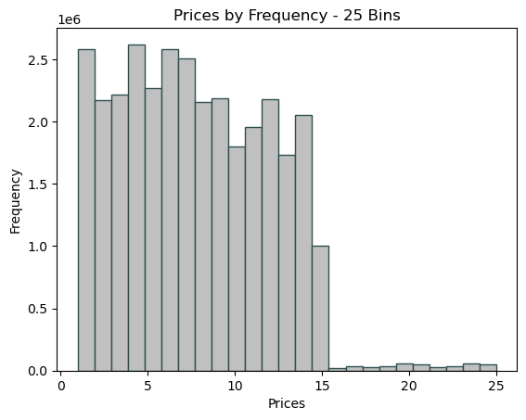

Recommendation: Considering the huge difference between products priced above 20 and those between 0 and 10, perhaps investing in products above this price range would be advisable to provide a greater range of variety for customers.

Key Question 6 - Are there differences in ordering habits based on a customer's region?

 |  |  |  |  |  | customer_profiling | Midwest | Northeast | South | West
 |  |  |  |  |  | Middle Age Adult - High Income | 902906 | 649352 | 1206220 | 962335
 |  |  |  |  |  | Middle Age Adult - Low Income | 353606 | 263968 | 498406 | 399684
 |  |  |  |  |  | Middle Age Adult - Middle Income | 334641 | 256102 | 513941 | 372199
 |  |  |  |  |  | Middle Age Adult - Upper Middle Income | 835505 | 620857 | 1111992 | 891698
 |  |  |  |  |  | Senior - High Income | 996451 | 769246 | 1413060 | 1075526
 |  |  |  |  |  | Senior - Low Income | 329781 | 261311 | 485446 | 369241
 |  |  |  |  |  | Senior - Middle Income | 326278 | 254799 | 506258 | 392569
 |  |  |  |  |  | Senior - Upper Middle Income | 917028 | 687747 | 1280819 | 1001695
 |  |  |  |  |  | Young Adult - High Income | 28686 | 22258 | 46975 | 28273
 |  |  |  |  |  | Young Adult - Low Income | 1193046 | 903816 | 1732313 | 1310596
 |  |  |  |  |  | Young Adult - Middle Income | 1197039 | 909593 | 1739080 | 1298708
 |  |  |  |  |  | Young Adult - Upper Middle Income | 182358 | 123687 | 257375 | 190389

 |  |  |  |  |  |  | days_since_prior_order
 |  |  |  |  |  |  | mean | min | max
 |  |  |  |  |  | region
 |  |  |  |  |  | Midwest | 11.18183628 | 0 | 30
 |  |  |  |  |  | Northeast | 11.075769117 | 0 | 30
 |  |  |  |  |  | South | 11.108108196 | 0 | 30
 |  |  |  |  |  | West | 11.047195988 | 0 | 30

 |  |  |  |  |  |  | prices
 |  |  |  |  |  |  | mean | min | max | sum
 |  |  |  |  |  | region
 |  |  |  |  |  | Midwest | 7.7925844105 | 1 | 25 | 59192977.7
 |  |  |  |  |  | Northeast | 7.7824093499 | 1 | 25 | 44530105.8
 |  |  |  |  |  | South | 7.7949177097 | 1 | 25 | 84107910.4
 |  |  |  |  |  | West | 7.7903554515 | 1 | 25 | 64595126.7

Recommendation: Considering the visualization above, all four regions appear to have similar ordering habits, with the only difference being the total sales, with South and West being the two that sold the most, followed by Midwest and Northeast, as well as the customer_profiling by region above, it would be possible to develop targeted advertisements for each customer profiling and thus boost sales in these regions by carrying out market research to understand what each of the customers in each category is interested in consuming.

Key Question 7 - Is there a connection between age and family status in terms of ordering habits?

 |  | prices
 |  | mean | min | max | sum
 | age
 | 18 | 7.8069966027 | 1 | 25 | 3906621.1
 | 19 | 7.8057734356 | 1 | 25 | 4055505.2
 | 20 | 7.7731996142 | 1 | 25 | 3908325.9
 | 21 | 7.7823823287 | 1 | 25 | 3987871.7
 | 22 | 7.7844713388 | 1 | 25 | 3999497.9
 | 23 | 7.7850234983 | 1 | 25 | 4005441.3
 | 24 | 7.7981631943 | 1 | 25 | 3968695.8
 | 25 | 7.7469983839 | 1 | 25 | 3657582.6
 | 26 | 7.7804916105 | 1 | 25 | 3989237
 | 27 | 7.7882262387 | 1 | 25 | 4082782.9
 | 28 | 7.7734329545 | 1 | 25 | 3791732.9
 | 29 | 7.7703471238 | 1 | 25 | 4042049.1
 | 30 | 7.7724889259 | 1 | 25 | 3954999.9
 | 31 | 7.8053129145 | 1 | 25 | 4124850.3
 | 32 | 7.7964385576 | 1 | 25 | 3881316.6
 | 33 | 7.7926775695 | 1 | 25 | 3852902.4
 | 34 | 7.7912119259 | 1 | 25 | 3952224.7
 | 35 | 7.7745809997 | 1 | 25 | 4032480.8
 | 36 | 7.782934034 | 1 | 25 | 3765103.3
 | 37 | 7.7996183894 | 1 | 25 | 3981455.6
 | 38 | 7.7857387983 | 1 | 25 | 4011119.2
 | 39 | 7.7870659691 | 1 | 25 | 3956499.2
 | 40 | 7.8037438632 | 1 | 25 | 3946829.3
 | 41 | 7.7915075141 | 1 | 25 | 3702314
 | 42 | 7.8071912347 | 1 | 25 | 3956122.4
 | 43 | 7.788932343 | 1 | 25 | 4066866.4
 | 44 | 7.8201009049 | 1 | 25 | 4033084.1
 | 45 | 7.78473 | 1 | 25 | 3978573.1
 | 46 | 7.8068170732 | 1 | 25 | 3857215.6
 | 47 | 7.8004021077 | 1 | 25 | 4031068.4
 | 48 | 7.8202192437 | 1 | 25 | 4141893.1
 | 49 | 7.7683003959 | 1 | 25 | 4126979.5
 | 50 | 7.8183792388 | 1 | 25 | 3821295.4
 | 51 | 7.7910488402 | 1 | 25 | 4011478.6
 | 52 | 7.7548259012 | 1 | 25 | 3894365
 | 53 | 7.7555200386 | 1 | 25 | 3889253.7
 | 54 | 7.7850202351 | 1 | 25 | 4049261.5
 | 55 | 7.7599942123 | 1 | 25 | 3968701.6
 | 56 | 7.7978980497 | 1 | 25 | 4073403.6
 | 57 | 7.7933482156 | 1 | 25 | 3875125.5
 | 58 | 7.7999906474 | 1 | 25 | 3919760.5
 | 59 | 7.7929003659 | 1 | 25 | 3914981.7
 | 60 | 7.780749967 | 1 | 25 | 3768746.3
 | 61 | 7.8214596559 | 1 | 25 | 3815628.7
 | 62 | 7.7859940713 | 1 | 25 | 3860996.6
 | 63 | 7.8084345004 | 1 | 25 | 3871398.4
 | 64 | 7.7608961851 | 1 | 25 | 4096837.4
 | 65 | 7.8339301521 | 1 | 25 | 3814458.1
 | 66 | 7.8282432776 | 1 | 25 | 3727269.3
 | 67 | 7.7804947985 | 1 | 25 | 3844972.7
 | 68 | 7.7830186016 | 1 | 25 | 4080294.2
 | 69 | 7.8146844277 | 1 | 25 | 4010949.3
 | 70 | 7.7819161001 | 1 | 25 | 3904319.6
 | 71 | 7.8036176423 | 1 | 25 | 3790888.2
 | 72 | 7.8057484758 | 1 | 25 | 3922919.4
 | 73 | 7.7932109525 | 1 | 25 | 4059810.9
 | 74 | 7.800501683 | 1 | 25 | 3888721.7
 | 75 | 7.7885221719 | 1 | 25 | 4049712.2
 | 76 | 7.7837414595 | 1 | 25 | 3877953.4
 | 77 | 7.759185076 | 1 | 25 | 3895188.5
 | 78 | 7.8072241933 | 1 | 25 | 3866223.3
 | 79 | 7.7766992454 | 1 | 25 | 4119247.6
 | 80 | 7.8020577873 | 1 | 25 | 4019347.1
 | 81 | 7.8027467122 | 1 | 25 | 3973369.3

 | Recommendation: (1) Family Status: According to the family status it is possible to realize that the majority of Instacart clients are married, followed by single, divorced and lastly people that are living with their parents. Considering that the application became famous due to its practicality, it is clear that the fact that it is so popular with married people may be due to the fact that it helps with their marital/family life. Therefore, advertisements aimed at married people would prove to be more effective in this case. (2) Age:The age of customers does not appear to be a definitive factor in terms of ordering habits. After applying a conditional formatting in the table above (top 10% rule), it is possible to notice that the ages that presented the highest number of sales are spread out, not staying in a specific age category.

